INCOME CALCULATOR
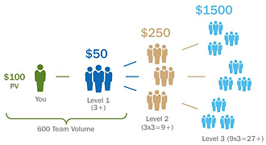
Financial and Rank Goal Calculator
 |  |  |  | Power of 3 Bonus Levels Defined:
$5,000.00 | Desired dōTERRA Income per Month

Your Power of 3 will be at: |  | Level 3
Your Organization Volume will be approx. |  | 40,001 | OV
Your Rank Will Most Likely be: |  | Platinum
The Average Time to Get Here is: |  | 23 | Months
Number of People Ordering Monthly: |  | 320
Average Amount of Monthly Order: |  | 125
New Team enrollments needed/month (if structured perfectly) |  | 14

Want to get there faster? How many months would you like? |  | 12
Then New Team enrollments needed/ month would be: (if structered perfectly) |  | 27

Comments
Good Goal

diamond | Desired dōTERRA Rank
 | Average Time to Rank: | 23
 | Minimum Number of People Ordering Monthly | 360
 | Conservative Est. # of People Ordering Monthly (more realistic-if structure not perfect) | 500
 | Average Amount of Monthly Order: | 100
 | How many months do I want to do it in: | 10
 | Number of Team Enrollments Needed/Month | 36
 | More Realistic # Team Enrollments needed/month | 50

